시트1
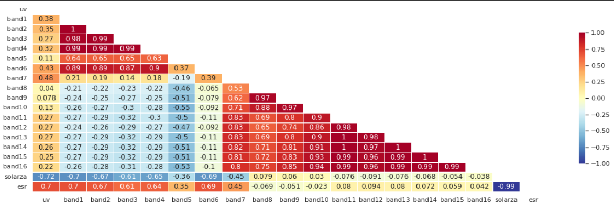
Stationarity |  |  |  |  |  |  |  | remove_perfect_collinearity = False |  |  |  |  |  |  |  |  |  | remove_perfect_collinearity = True
- assume non Stationarity |  |  |  | stn = 13
index | Model | MSE | RMSE | RMSLE | MAPE | TT (Sec) |  | imputer = lgb | Model | MAE | MSE | RMSE | R2 | RMSLE | MAPE | TT (Sec) |  | imputer = lgb | Model | MAE | MSE | RMSE | R2 | RMSLE | MAPE | TT (Sec)
et | Extra Trees Regressor | 0.1136 | 0.337 | 0.0937 | 0.2341 | 12.277 |  | et | Extra Trees Regressor | 0.1278 | 0.1063 | 0.326 | 0.9735 | 0.0912 | 0.2253 | 18.859 |  | et | Extra Trees Regressor | 0.1272 | 0.105 | 0.324 | 0.9738 | 0.0907 | 0.225 | 16.27
lightgbm | Light Gradient Boosting Machine | 0.1283 | 0.3581 | 0.1015 | 0.2807 | 0.483 |  | rf | Random Forest Regressor | 0.139 | 0.1219 | 0.3491 | 0.9696 | 0.097 | 0.2436 | 42.597 |  | rf | Random Forest Regressor | 0.1386 | 0.1212 | 0.348 | 0.9698 | 0.0967 | 0.2428 | 36.195
rf | Random Forest Regressor | 0.1287 | 0.3586 | 0.099 | 0.25 | 27.17 |  | lightgbm | Light Gradient Boosting Machine | 0.1506 | 0.1253 | 0.3539 | 0.9688 | 0.1007 | 0.2786 | 0.664 |  | lightgbm | Light Gradient Boosting Machine | 0.1505 | 0.1251 | 0.3536 | 0.9688 | 0.1009 | 0.2784 | 0.588
gbr | Gradient Boosting Regressor | 0.1775 | 0.4212 | 0.1152 | 0.3235 | 11.386 |  | gbr | Gradient Boosting Regressor | 0.1882 | 0.1774 | 0.4211 | 0.9558 | 0.1155 | 0.3247 | 17.901 |  | gbr | Gradient Boosting Regressor | 0.1879 | 0.1769 | 0.4205 | 0.9559 | 0.1155 | 0.3257 | 15.001
knn | K Neighbors Regressor | 0.2426 | 0.4922 | 0.1343 | 0.3464 | 0.874 |  | knn | K Neighbors Regressor | 0.1729 | 0.2095 | 0.4575 | 0.9478 | 0.1259 | 0.3157 | 0.927 |  | knn | K Neighbors Regressor | 0.1713 | 0.2071 | 0.4549 | 0.9484 | 0.1252 | 0.3133 | 0.873
dt | Decision Tree Regressor | 0.2692 | 0.5185 | 0.1409 | 0.3227 | 0.446 |  |  |  |  |  |  |  |  |  |  |  |  |  |  | AVEREAGE = | 0.3802
ada | AdaBoost Regressor | 0.4962 | 0.7022 | 0.3468 | 0.9906 | 5.382
lr | Linear Regression | 1.353 | 1.163 | 0.4762 | 1.9069 | 0.372
br | Bayesian Ridge | 1.3529 | 1.163 | 0.4764 | 1.9072 | 0.123 |  | inputer = lr | Model | MAE | MSE | RMSE | R2 | RMSLE | MAPE | TT (Sec) |  | inputer = lr | Model | MAE | MSE | RMSE | R2 | RMSLE | MAPE | TT (Sec)
ridge | Ridge Regression | 1.3533 | 1.1632 | 0.4791 | 1.9122 | 0.033 |  | et | Extra Trees Regressor | 1.28E-01 | 1.06E-01 | 3.26E-01 | 9.74E-01 | 0.091 | 2.25E-01 | 18.707 |  | et | Extra Trees Regressor | 0.1274 | 0.1055 | 0.3247 | 0.9737 | 0.0908 | 0.2255 | 15.542
omp | Orthogonal Matching Pursuit | 1.7182 | 1.3107 | 0.5594 | 2.4303 | 0.033 |  | rf | Random Forest Regressor | 1.39E-01 | 1.21E-01 | 3.48E-01 | 9.70E-01 | 0.0968 | 2.43E-01 | 43.145 |  | rf | Random Forest Regressor | 0.1385 | 0.1208 | 0.3476 | 0.9699 | 0.0969 | 0.2438 | 36.125
en | Elastic Net | 1.752 | 1.3236 | 0.5389 | 2.3917 | 0.037 |  | lightgbm | Light Gradient Boosting Machine | 1.50E-01 | 1.25E-01 | 3.53E-01 | 9.69E-01 | 0.1006 | 2.79E-01 | 0.672 |  | lightgbm | Light Gradient Boosting Machine | 0.1508 | 0.126 | 0.3549 | 0.9686 | 0.1013 | 0.282 | 0.588
lasso | Lasso Regression | 1.7873 | 1.3368 | 0.5387 | 2.4205 |  |  | gbr | Gradient Boosting Regressor | 1.88E-01 | 1.77E-01 | 4.20E-01 | 9.56E-01 | 0.1153 | 3.24E-01 | 18.286 |  | gbr | Gradient Boosting Regressor | 0.1874 | 0.1775 | 0.4212 | 0.9558 | 0.1155 | 0.3248 | 14.64
huber | Huber Regressor | 1.9712 | 1.4038 | 0.4559 | 1.6688 | 1.821 |  | knn | K Neighbors Regressor | 1.72E-01 | 2.08E-01 | 4.56E-01 | 9.48E-01 | 0.1255 | 3.15E-01 | 0.982 |  | knn | K Neighbors Regressor | 0.1704 | 0.2046 | 0.4521 | 0.949 | 0.1243 | 0.3114 | 0.935
par | Passive Aggressive Regressor | 2.6517 | 1.5995 | 0.6462 | 1.7834 | 0.164 |  |  |  |  |  |  |  |  |  |  |  |  |  |  | AVEREAGE = | 0.3801
llar | Lasso Least Angle Regression | 4.0417 | 2.0103 | 0.7296 | 1.7946 | 0.036
dummy | Dummy Regressor | 4.0417 | 2.0103 | 0.7296 | 1.7946 | 0.026 |  | pandas.interpolate
lar | Least Angle Regression | 49808198.69 | 3141.2375 | 3.2184 | 4457.529 | 0.039 |  | spline order=5 |  |  |  |  |  |  |  |  |  | inputer = knn | Model | MAE | MSE | RMSE | R2 | RMSLE | MAPE | TT (Sec)
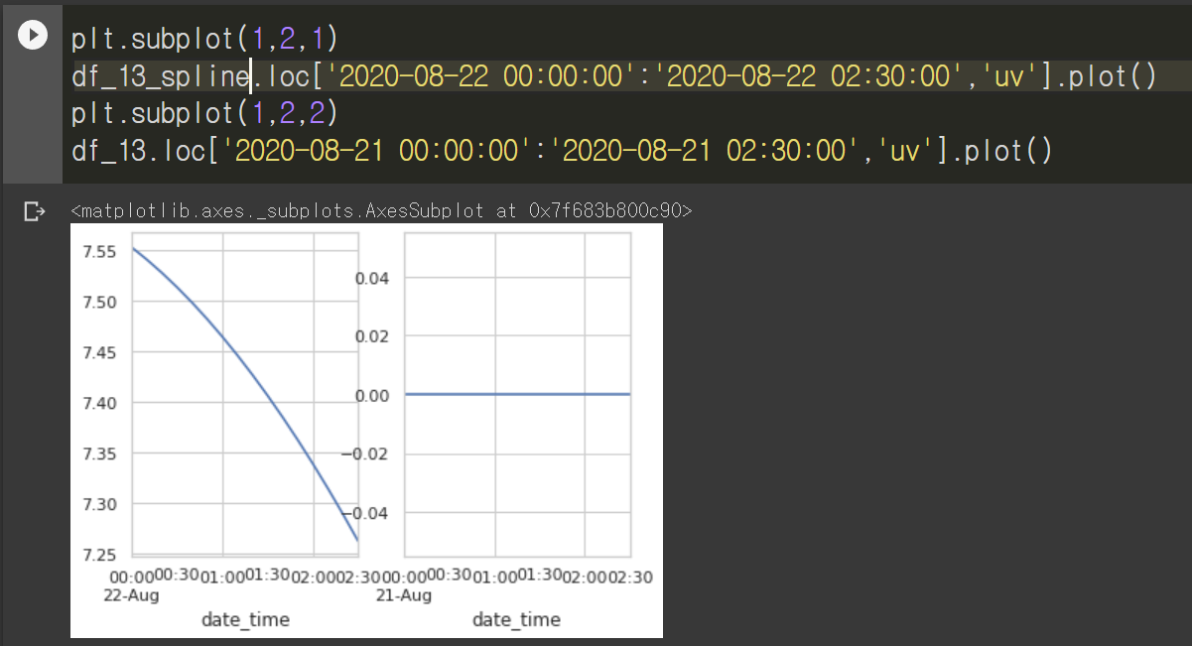
 |  |  |  |  |  |  |  |  |  |  |  |  |  |  |  |  |  | et | Extra Trees Regressor | 0.128 | 0.1064 | 0.3261 | 0.9735 | 0.0913 | 0.2263 | 17.881
 |  |  |  |  |  |  |  |  |  |  |  |  |  |  |  |  |  | rf | Random Forest Regressor | 0.1394 | 0.1228 | 0.3503 | 0.9694 | 0.0973 | 0.2444 | 40.956
 |  |  |  |  |  |  |  |  |  |  |  |  |  |  |  |  |  | lightgbm | Light Gradient Boosting Machine | 0.1514 | 0.1263 | 0.3553 | 0.9685 | 0.1014 | 0.28 | 0.628
 |  |  |  |  |  |  |  |  |  |  |  |  |  |  |  |  |  | gbr | Gradient Boosting Regressor | 0.1882 | 0.1777 | 0.4215 | 0.9557 | 0.1157 | 0.327 | 16.48
- assume Stationarity |  |  |  |  |  |  |  |  |  |  |  |  |  |  |  |  |  | knn | K Neighbors Regressor | 0.173 | 0.2104 | 0.4584 | 0.9476 | 0.1265 | 0.3166 | 1.329
index | Model | MSE | RMSE | RMSLE | MAPE | TT (Sec) |  |  |  |  |  |  |  |  |  |  |  |  |  |  | AVEREAGE = | 0.38232
et | Extra Trees Regressor | 0.1627 | 0.4032 | 0.1098 | 0.2783 | 5.832
rf | Random Forest Regressor | 0.1672 | 0.4088 | 0.1108 | 0.281 | 18.764
lightgbm | Light Gradient Boosting Machine | 0.1717 | 0.4142 | 0.1137 | 0.3136 | 0.353
gbr | Gradient Boosting Regressor | 0.2177 | 0.4664 | 0.1242 | 0.3527 | 8.475
knn | K Neighbors Regressor | 0.2997 | 0.5471 | 0.1482 | 0.3853 | 0.261
dt | Decision Tree Regressor | 0.3447 | 0.5869 | 0.1546 | 0.353 | 0.32
ada | AdaBoost Regressor | 0.4382 | 0.658 | 0.2478 | 0.7627 | 2.861
lr | Linear Regression | 1.4285 | 1.1951 | 0.4991 | 2.0271 | 0.407
br | Bayesian Ridge | 1.4285 | 1.1951 | 0.4991 | 2.0272 | 0.04
ridge | Ridge Regression | 1.4291 | 1.1954 | 0.5011 | 2.0308 | 0.03 |  | cubic
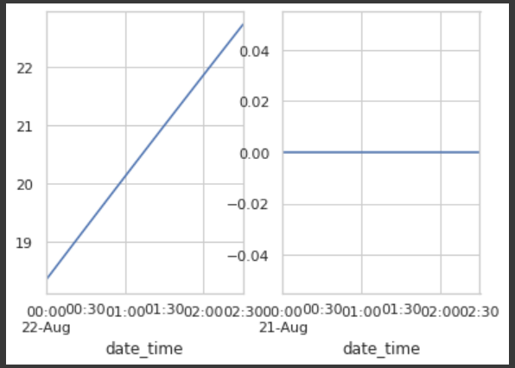
en | Elastic Net | 1.7921 | 1.3386 | 0.5418 | 2.4315 | 0.032
lasso | Lasso Regression | 1.8069 | 1.3441 | 0.5392 | 2.4445 | 0.03
omp | Orthogonal Matching Pursuit | 1.9551 | 1.3982 | 0.5453 | 2.6073 | 0.028
huber | Huber Regressor | 2.0934 | 1.4466 | 0.4488 | 1.5918 | 0.629
par | Passive Aggressive Regressor | 2.7138 | 1.6195 | 0.6512 | 1.7479 | 0.088
lar | Least Angle Regression | 3.2165 | 1.7931 | 0.7244 | 2.7268 | 0.031
llar | Lasso Least Angle Regression | 4.0417 | 2.0103 | 0.7296 | 1.7946 | 0.028
dummy | Dummy Regressor | 4.0417 | 2.0103 | 0.7296 | 1.7946 | 0.027

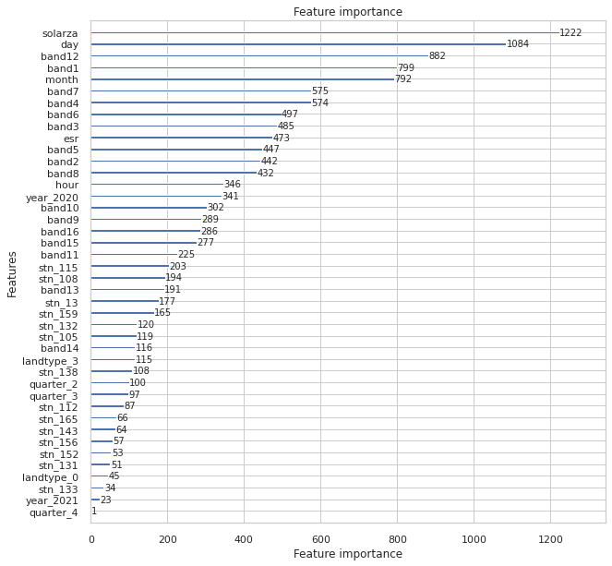
lgbm Feature importance
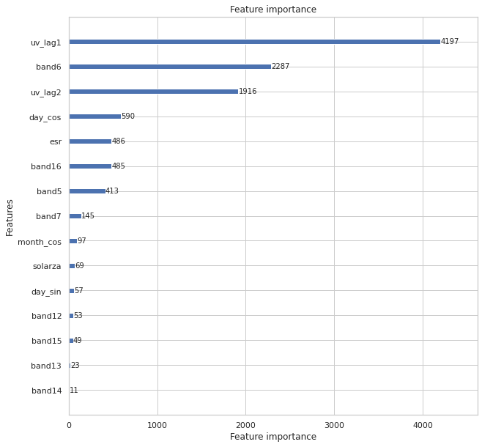

 |  |  |  |  |  |  |  | 모델 및 변수 후보 |  |  |  | 접근방법
 |  |  |  |  |  |  |  | 변수후보(NOW) | 모델 후보
 |  |  |  |  |  |  |  | 1. uv 이동 평균 | LGBR
 |  |  |  |  |  |  |  | 2. 다음년도 UV | ET
 |  |  |  |  |  |  |  | 3. 빈도 주기 | RF
 |  |  |  |  |  |  |  | 4. decompose | GBR
 |  |  |  |  |  |  |  | 5. lag (uv or band) | CAT
 |  |  |  |  |  |  |  | 6. Lambert 코사인 | ANN
 |  |  |  |  |  |  |  |  | CNN LSTM |  |  |  |  |  |  |  | d
 |  |  |  |  |  |  |  |  | CNN GRU
 |  |  |  |  |  |  |  | 30daysBand13
 |  |  |  |  |  |  |  | 30daysBand3
 |  |  |  |  |  |  |  | Mckinlay Diffey

 |  |  |  |  |  |  |  | 연직 기온 분포 | insitu-TA
month |  |  | Not |  |  |  |  | 연직 공기 밀도 분포
 |  |  |  |  |  |  |  | 구름입자
 |  |  |  |  |  |  |  | 지표 기압 | insitu-PA
index | model |  | index | model | score |  |  | 산소 분자
0 | LGBMRegressor() |  | 5 | LGBMRegressor() | -0.1231641527 |  |  | 이산화 질소
1 | <catboost.core.CatBoostRegressor object at 0x7fc848438250> |  | 6 | <catboost.core.CatBoostRegressor object at 0x7fc848438250> | -0.11137127412 |  |  | 이산화 황
2 | ExtraTreesRegressor(n_jobs=-1) |  | 7 | ExtraTreesRegressor(n_jobs=-1) | -0.11608505516 |  |  | 공기분자에의한 Rayleigh 산란
3 | RandomForestRegressor(n_jobs=-1) |  | 8 | RandomForestRegressor(n_jobs=-1) | -0.11946174895 |  |  | AOD 환산식?
4 | KNeighborsRegressor(n_jobs=-1) |  | 9 | KNeighborsRegressor(n_jobs=-1) | -0.15231661884 |  |  | 황산염입자
 |  |  |  |  | -0.12447977 |  |  | 비가 온후 박무현상
 |  |  |  |  |  |  |  | 습도 | insitu-HM
year |  |  |  |  |  |  |  | 화석연료 연소, 산업, 바이오메스 연소
 |  |  |  |  |  |  |  | 암모늄
index | df | score |  |  |  |  |  | 질산염
0 | O | -0.11915411229 |  |  |  |  |  | 바람
1 | O | -0.10776658416
2 | O | -0.11032316407
3 | O | -0.11644759024 | -0.1134228627
4 | X | -0.1231641527
5 | X | -0.11137127412 |  |  |  |  |  | index | 131 | 132 | 133 | 165 | 105 | 138 | 108 | 13 | 143 | 112 | 146 | 115 | 152 | 156 | 159
6 | X | -0.11596949687 |  |  |  |  |  | uv | 587 | 5201 | 1078 | 345 | 25 | 488 | 13827 | 3501 | 8904 | 104 | 14736 | 2141 | 1378 | 73 | 235
7 | X | -0.11964942754 | -0.1175385878 |  |  |  |  | band1 | 1204 | 1204 | 1204 | 1204 | 1204 | 1204 | 1204 | 1204 | 1204 | 1204 | 1204 | 1204 | 1204 | 1204 | 1204
 |  |  |  |  |  |  |  | band2 | 1204 | 1204 | 1204 | 1204 | 1204 | 1204 | 1204 | 1204 | 1204 | 1204 | 1204 | 1204 | 1204 | 1204 | 1204
hour |  |  |  |  |  |  |  | band3 | 1204 | 1204 | 1204 | 1204 | 1204 | 1204 | 1204 | 1204 | 1204 | 1204 | 1204 | 1204 | 1204 | 1204 | 1204
index | df | score |  |  |  |  |  | band4 | 1204 | 1204 | 1204 | 1204 | 1204 | 1204 | 1204 | 1204 | 1204 | 1204 | 1204 | 1204 | 1204 | 1204 | 1204
0 | O | -0.11453521441 |  |  |  |  |  | band5 | 1204 | 1204 | 1204 | 1204 | 1204 | 1204 | 1204 | 1204 | 1204 | 1204 | 1204 | 1204 | 1204 | 1204 | 1204
1 | O | -0.10460863508 |  |  |  |  |  | band6 | 1204 | 1204 | 1204 | 1204 | 1204 | 1204 | 1204 | 1204 | 1204 | 1204 | 1204 | 1204 | 1204 | 1204 | 1204
2 | O | -0.10699526213 |  |  |  |  |  | band7 | 1204 | 1204 | 1205 | 1204 | 1204 | 1207 | 1204 | 1204 | 1204 | 1204 | 1204 | 1204 | 1205 | 1204 | 1205
3 | O | -0.11193460771 | -0.1095184298 |  |  |  |  | band8 | 1204 | 1204 | 1204 | 1204 | 1204 | 1204 | 1204 | 1204 | 1204 | 1204 | 1204 | 1204 | 1204 | 1204 | 1204
4 | X | -0.1231641527 |  |  |  |  |  | band9 | 1204 | 1204 | 1204 | 1204 | 1204 | 1204 | 1204 | 1204 | 1204 | 1204 | 1204 | 1204 | 1204 | 1204 | 1204
5 | X | -0.11137127412 |  |  |  |  |  | band10 | 1204 | 1204 | 1204 | 1204 | 1204 | 1204 | 1204 | 1204 | 1204 | 1204 | 1204 | 1204 | 1204 | 1204 | 1204
6 | X | -0.11549246532 |  |  |  |  |  | band11 | 1204 | 1204 | 1204 | 1204 | 1204 | 1204 | 1204 | 1204 | 1204 | 1204 | 1204 | 1204 | 1204 | 1204 | 1204
7 | X | -0.11970566254 | -0.1174333887 |  |  |  |  | band12 | 1204 | 1204 | 1204 | 1204 | 1204 | 1204 | 1204 | 1204 | 1204 | 1204 | 1204 | 1204 | 1204 | 1204 | 1204
 |  |  |  |  |  |  |  | band13 | 1204 | 1204 | 1204 | 1204 | 1204 | 1204 | 1204 | 1204 | 1204 | 1204 | 1204 | 1204 | 1204 | 1204 | 1204
 |  |  |  |  |  |  |  | band14 | 1204 | 1204 | 1204 | 1204 | 1204 | 1204 | 1204 | 1204 | 1204 | 1204 | 1204 | 1204 | 1204 | 1204 | 1204
day |  |  |  |  |  |  |  | band15 | 1204 | 1204 | 1204 | 1204 | 1204 | 1204 | 1204 | 1204 | 1204 | 1204 | 1204 | 1204 | 1204 | 1204 | 1204
df | model |  |  |  |  |  |  | band16 | 1204 | 1204 | 1204 | 1204 | 1204 | 1204 | 1204 | 1204 | 1204 | 1204 | 1204 | 1204 | 1204 | 1204 | 1204
1/day | LGBMRegressor(randoms_state=42) |  |  |  |  |  |  | solarza | 0 | 0 | 0 | 0 | 0 | 0 | 0 | 0 | 0 | 0 | 0 | 0 | 0 | 0 | 0
1/day | <catboost.core.CatBoostRegressor object at 0x7fc8420a7a50> |  | df | score |  |  |  | esr | 0 | 0 | 0 | 0 | 0 | 0 | 0 | 0 | 0 | 0 | 0 | 0 | 0 | 0 | 0
1/day | ExtraTreesRegressor(n_jobs=-1, random_state=42) |  | 1/day | -0.108455 |  |  |  | uv/len(df['stn']) | 0.006 | 0.049 | 0.01 | 0.003 | 0 | 0.005 | 0.131 | 0.033 | 0.085 | 0.001 | 0.14 | 0.02 | 0.013 | 0.001 | 0.002
1/day | RandomForestRegressor(n_jobs=-1, random_state=42) |  | 2/day | -0.108305
2/day | LGBMRegressor(randoms_state=42) |  | 3/day | -0.109098
2/day | <catboost.core.CatBoostRegressor object at 0x7fc8420a7a50>
2/day | ExtraTreesRegressor(n_jobs=-1, random_state=42)
2/day | RandomForestRegressor(n_jobs=-1, random_state=42)
3/day | LGBMRegressor(randoms_state=42) |  |  |  |  |  |  |  |  |  |  | 0 | {'max_depth': 1, 'n_estimators': 290, 'learning_rate': 0.05} | 0.03749183156
3/day | <catboost.core.CatBoostRegressor object at 0x7fc8420a7a50> |  |  |  |  |  |  |  |  |  |  | 1 | {'max_depth': 1, 'n_estimators': 300, 'learning_rate': 0.05} | 0.037532600661
3/day | ExtraTreesRegressor(n_jobs=-1, random_state=42) |  |  |  |  |  |  |  |  |  |  | 2 | {'max_depth': 1, 'n_estimators': 310, 'learning_rate': 0.05} | 0.037584394008
3/day | RandomForestRegressor(n_jobs=-1, random_state=42)

scaler : stn_all |  |  |  | scaler : stn_all

lgbr | power |  |  | index | scaler | model | score
cbr | power |  |  | 0 | minmax | LGBMRegressor(randoms_state=42) | -0.44312445335
et | power | #REF! |  | 1 | minmax | <catboost.core.CatBoostRegressor object at 0x7fc89a9f4450> | -0.41083221292
lgbr | standard |  |  | 2 | minmax | ExtraTreesRegressor(n_jobs=-1, random_state=42) | -0.39715896167
cbr | standard |  |  | 3 | minmax | XGBRegressor(random_state=42) | -0.49036809131 | -0.4353709298
et | standard | #REF! |  | 4 | power +minmax | LGBMRegressor(randoms_state=42) | -0.44315640648
lgbr | robust |  |  | 5 | power +minmax | <catboost.core.CatBoostRegressor object at 0x7fc89a9f4450> | -0.41087637749
cbr | robust |  |  | 6 | power +minmax | ExtraTreesRegressor(n_jobs=-1, random_state=42) | -0.39731987419
et | robust | #REF! |  | 7 | power +minmax | XGBRegressor(random_state=42) | -0.49057969091 | -0.4354830873
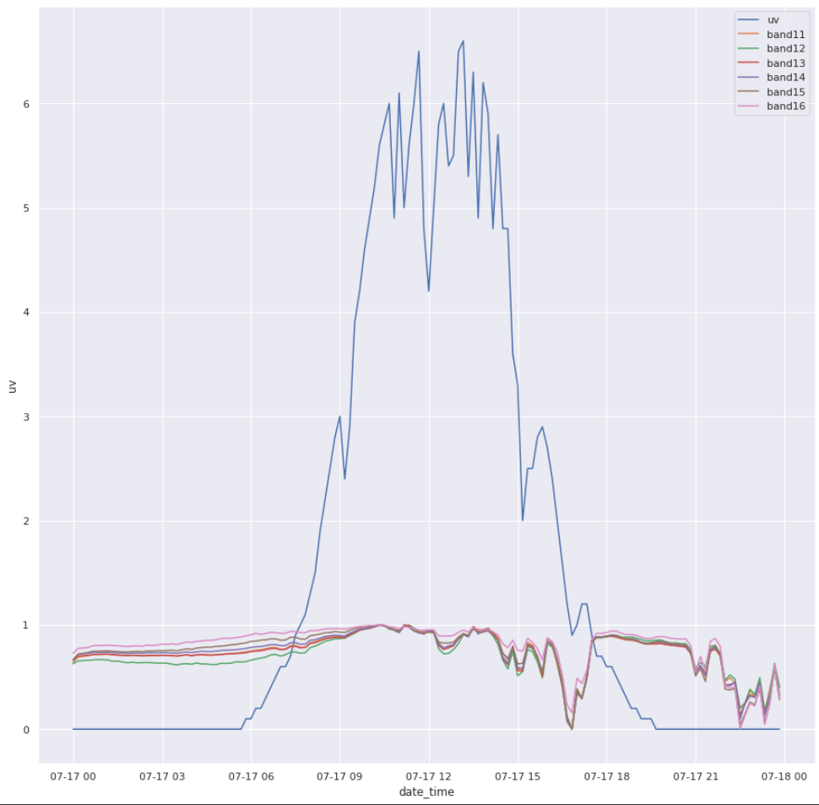
lgbr | minmax
cbr | minmax
et | minmax | #REF!
lgbr | normalize
cbr | normalize
et | normalize | #REF!

shift band8,9,10
shfit_0 | 0.358631
shfit_1 | 0.361507
shfit_2 | 0.361611
shfit_3 | 0.361598
shfit_4 | 0.361271
shfit_5 | 0.361313
shfit_6 | 0.36108
shfit_7 | 0.361519
shfit_8 | 0.359901

date | Model | RMSE | 2021-06-01 | Tune |  |  |  |  |  |  |  |  | 기타
 |  |  |  | 0.0937
2022-07-28 | LGBR |  | 0.4957577193 | colsample_bytree=1, max_depth=9, min_child_samples=39, n_estimators=700, num_leaves=69, randoms_state=42, subsample=0.5, subsample_feq=1 |  |  |  |  |  |  |  |  | k-fold 10
2022-07-28 | KNNR |  | 0.45292652595 | p=1, algorithm='ball_tree', leaf_size=28, n_neighbors=3,n_jobs=-1 |  |  |  |  |  |  |  |  | k-fold 10

